Sheet1
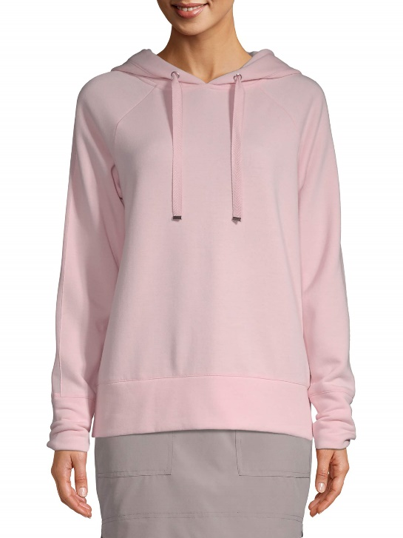
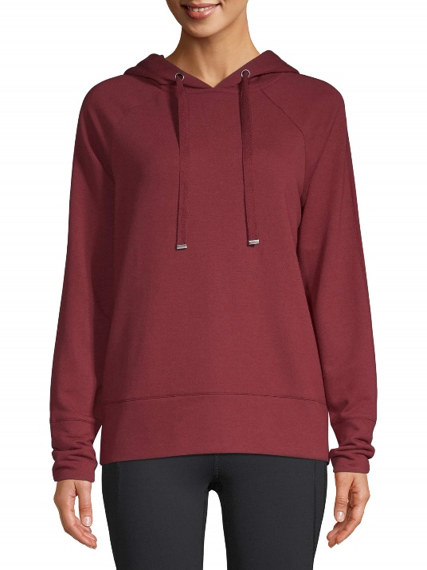
Item | Size | Quantity | MSRP |  | Ext. MSRP
Aqua Haze | XXXL | 5,040 | $38.00
Polar Pink | S | 3,636 | $38.00
Polar Pink | M | 6,444 | $38.00
Polar Pink | L | 11,016 | $38.00
Polar Pink | XL | 14,184 | $38.00
Polar Pink | XXL | 12,888 | $38.00
Polar Pink | XXXL | 9,252 | $38.00
Red Balm | S | 2,016 | $38.00
Red Balm | M | 4,464 | $38.00
Red Balm | L | 5,256 | $38.00
Red Balm | XL | 6,624 | $38.00
Red Balm | XXL | 7,848 | $38.00
Red Balm | XXXL | 5,976 | $38.00
Totals |  | 94,644

 |  |  |  | #1074 Soft Fleece Hoodie
 |  |  |  | Body Fabric: 67 Recycled Poly/ 29 Lenzing Modal/ 4 Span Fleece 250G/M2
 |  |  |  | Mesh Insert: 90 Poly/ 10 Span Fine Sheer Mesh w/ Moisture Wicking 130G/M2
 |  |  |  | Hood Liner: 65 Poly/ 35 Rayon Jersey 120G/M2
 |  |  |  | 1/2” Power Mesh Sleeve Insert
 |  |  |  | Jersey Lining at Hood w/ Jersey Neck Tape
 |  |  |  | Flat Twill Tape Drawcord |  | Polar Pink | Red Balm
 |  |  |  | w/ Flat Gunmetal Tips
 |  |  |  | Gunmetal Grommets
 |  |  |  | Polar

